Sheet1
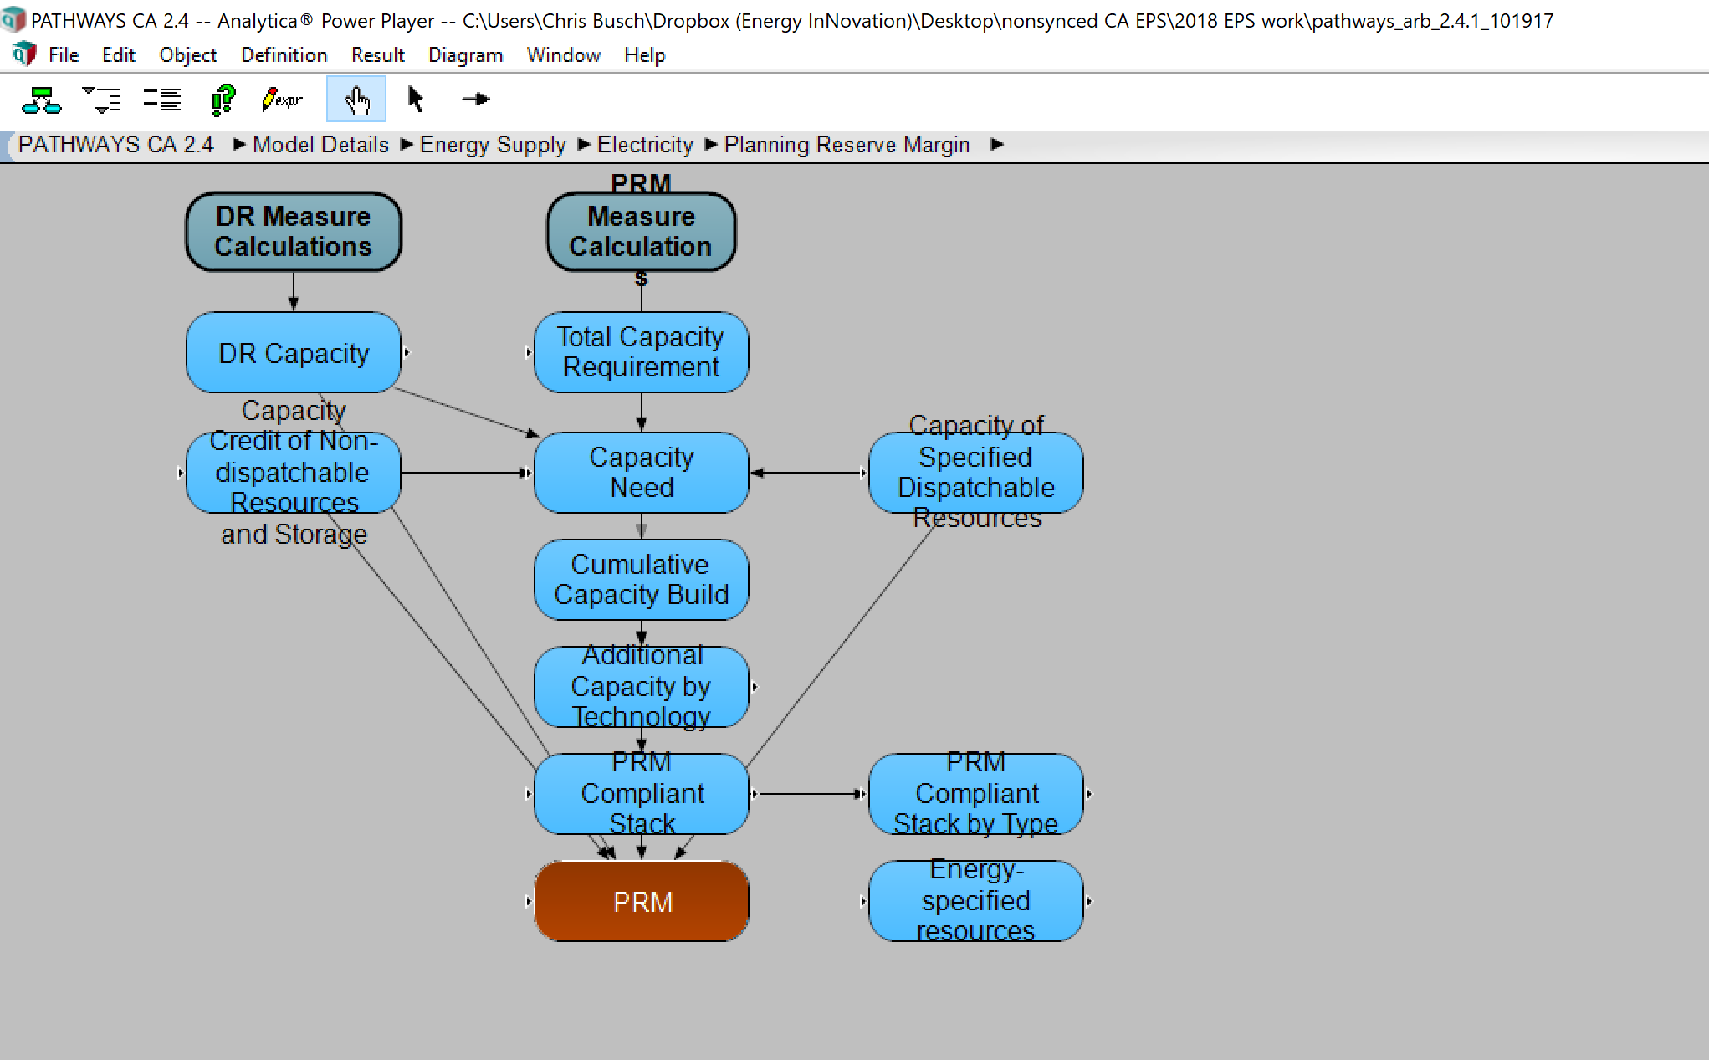
TextTable Value PRM1
Electricity_Dispatch | 2010 | 2011 | 2012 | 2013 | 2014 | 2015 | 2016 | 2017 | 2018 | 2019 | 2020 | 2021 | 2022 | 2023 | 2024 | 2025 | 2026 | 2027 | 2028 | 2029 | 2030 | 2031 | 2032 | 2033 | 2034 | 2035 | 2036 | 2037 | 2038 | 2039 | 2040 | 2041 | 2042 | 2043 | 2044 | 2045 | 2046 | 2047 | 2048 | 2049 | 2050
Active_Cases
Updated Reference | 0.10293700954 | 0.11917515153 | 0.15385097723 | 0.20383551391 | 0.24607227017 | 0.2845519842 | 0.30598500826 | 0.24332644865 | 0.25447308657 | 0.2596170488 | 0.17531764331 | 0.22534783138 | 0.23340162961 | 0.24170853846 | 0.24607437256 | 0.19682527973 | 0.19617865487 | 0.19326929692 | 0.21285104984 | 0.19331129385 | 0.19114947178 | 0.19327712807 | 0.18809965977 | 0.17952150134 | 0.17270832646 | 0.16476896038 | 0.15512186749 | 0.15 | 0.15 | 0.15 | 0.15 | 0.15 | 0.15 | 0.15 | 0.15 | 0.15 | 0.15 | 0.15 | 0.15 | 0.15 | 0.15

How to find:

